customer & revenue by country
country | customer_count | total_revenue
India | 1422 | 6034.78
China | 1297 | 5251.03
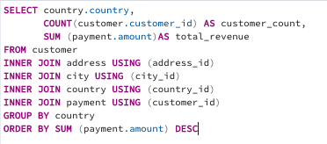
United States | 869 | 3685.31
Japan | 749 | 3122.51
Mexico | 718 | 2984.82
Brazil | 681 | 2919.19
Russian Federation | 638 | 2765.62
Philippines | 530 | 2219.7
Turkey | 351 | 1498.49
Indonesia | 331 | 1352.69
Argentina | 320 | 1298.8
Nigeria | 308 | 1314.92
Taiwan | 290 | 1155.1
South Africa | 254 | 1069.46
Iran | 204 | 877.96
United Kingdom | 204 | 850.96
Poland | 184 | 786.16
Germany | 176 | 741.24
Italy | 174 | 753.26
Venezuela | 157 | 632.43
Vietnam | 155 | 676.45
Egypt | 152 | 659.48
Ukraine | 147 | 675.53
Colombia | 146 | 661.54
Canada | 130 | 559.7
Netherlands | 127 | 557.73
South Korea | 123 | 527.77
Spain | 120 | 513.8
Pakistan | 116 | 473.84
Yemen | 107 | 473.93
Saudi Arabia | 106 | 452.94
Peru | 99 | 407.01
Thailand | 92 | 401.08
France | 88 | 334.12
Israel | 87 | 379.13
Ecuador | 82 | 369.18
Algeria | 82 | 349.18
Bangladesh | 81 | 353.19
Tanzania | 78 | 322.22
Malaysia | 77 | 330.23
Mozambique | 75 | 315.25
United Arab Emirates | 75 | 305.25
Dominican Republic | 74 | 304.26
Austria | 70 | 284.3
Chile | 66 | 303.34
Morocco | 65 | 274.35
Belarus | 64 | 271.36
Paraguay | 60 | 273.4
Switzerland | 59 | 248.41
Romania | 58 | 218.42
Latvia | 57 | 249.43
Puerto Rico | 52 | 224.48
Kenya | 51 | 245.49
Yugoslavia | 51 | 233.49
Cameroon | 51 | 186.49
Sudan | 49 | 202.51
Kazakstan | 49 | 192.51
Cambodia | 49 | 179.51
French Polynesia | 48 | 205.52
Bulgaria | 48 | 194.52
Azerbaijan | 47 | 198.53
Myanmar | 47 | 179.53
Greece | 46 | 204.54
Runion | 45 | 211.55
Angola | 45 | 187.55
Bolivia | 44 | 178.56
Oman | 44 | 161.56
Congo, The Democratic Republic of the | 42 | 168.58
Moldova | 34 | 127.66
Brunei | 34 | 107.66
Sweden | 33 | 139.67
Holy See (Vatican City State) | 32 | 146.68
Anguilla | 32 | 99.68
Virgin Islands, U.S. | 31 | 121.69
Nauru | 30 | 143.7
Zambia | 30 | 121.7
Hungary | 29 | 111.71
North Korea | 29 | 107.71
Czech Republic | 28 | 132.72
Chad | 28 | 122.72
Greenland | 28 | 119.72
Estonia | 28 | 105.72
Malawi | 27 | 121.73
Gambia | 27 | 114.73
Iraq | 27 | 111.73
Sri Lanka | 27 | 103.73
Turkmenistan | 26 | 126.74
Liechtenstein | 26 | 99.74
Armenia | 25 | 118.75
Kuwait | 25 | 106.75
Bahrain | 24 | 108.76
Hong Kong | 24 | 104.76
Faroe Islands | 24 | 96.76
Senegal | 24 | 95.76
Ethiopia | 23 | 91.77
New Zealand | 23 | 85.77
Slovakia | 23 | 80.77
Tuvalu | 22 | 93.78
Tunisia | 22 | 73.78
Lithuania | 22 | 63.78
Madagascar | 21 | 92.79
Finland | 21 | 78.79
French Guiana | 20 | 97.8
Afghanistan | 18 | 67.82
Saint Vincent and the Grenadines | 18 | 64.82
Nepal | 17 | 93.83
Tonga | 16 | 64.84
American Samoa | 15 | 47.85

revenuebycategory
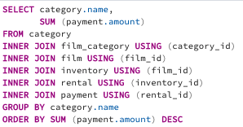
name | sum
Sports | 4892.19
Sci-Fi | 4336.01
Animation | 4245.31
Drama | 4118.46
Comedy | 4002.48
New | 3966.38
Action | 3951.84
Foreign | 3934.47
Games | 3922.18
Family | 3782.26
Documentary | 3749.65
Horror | 3401.27
Classics | 3401.27
Children | 3309.39
Travel | 3227.36
Music | 3071.52

countbycategory
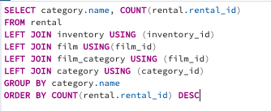
Category | Count
Sports | 1179
Animation | 1166
Action | 1112
Sci-Fi | 1101
Family | 1084
Drama | 1060
Documentary | 1050
Foreign | 1033
Games | 969
Classics | 951
Children | 945
Comedy | 941
New | 940
Horror | 846
Travel | 837
Music | 830

revenuebyrating
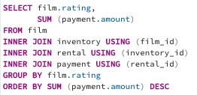
rating | sum
PG-13 | 13855.56
NC-17 | 12634.92
PG | 12236.65
R | 12073.03
G | 10511.88

countbyrating
rating | count
PG-13 | 3585
NC-17 | 3293
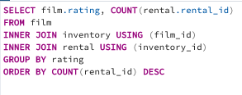
PG | 3212
R | 3181
G | 2773

rental duration & rate
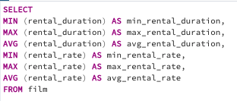
min_rental_duration | max_rental_duration | avg_rental_duration | min_rental_rate | max_rental_rate | avg_rental_rate
3 | 7 | 4.985 | 0.99 | 4.99 | 2.98

rentalsbyrate
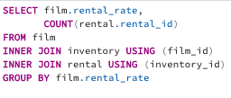
rental_rate | count
4.99 | 5272
2.99 | 5120
0.99 | 5652

top5customers
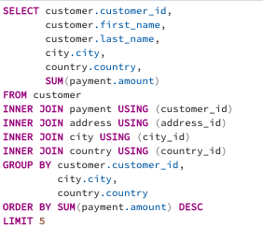
customer_id | first_name | last_name | city | country | sum
148 | Eleanor | Hunt | Saint-Denis | Runion | 211.55
526 | Karl | Seal | Cape Coral | United States | 208.58
178 | Marion | Snyder | Santa Brbara dOeste | Brazil | 194.61
137 | Rhonda | Kennedy | Apeldoorn | Netherlands | 191.62
144 | Clara | Shaw | Molodetno | Belarus | 189.6

